Page8
CENTRIFUGAL PUMP DATA SHEET

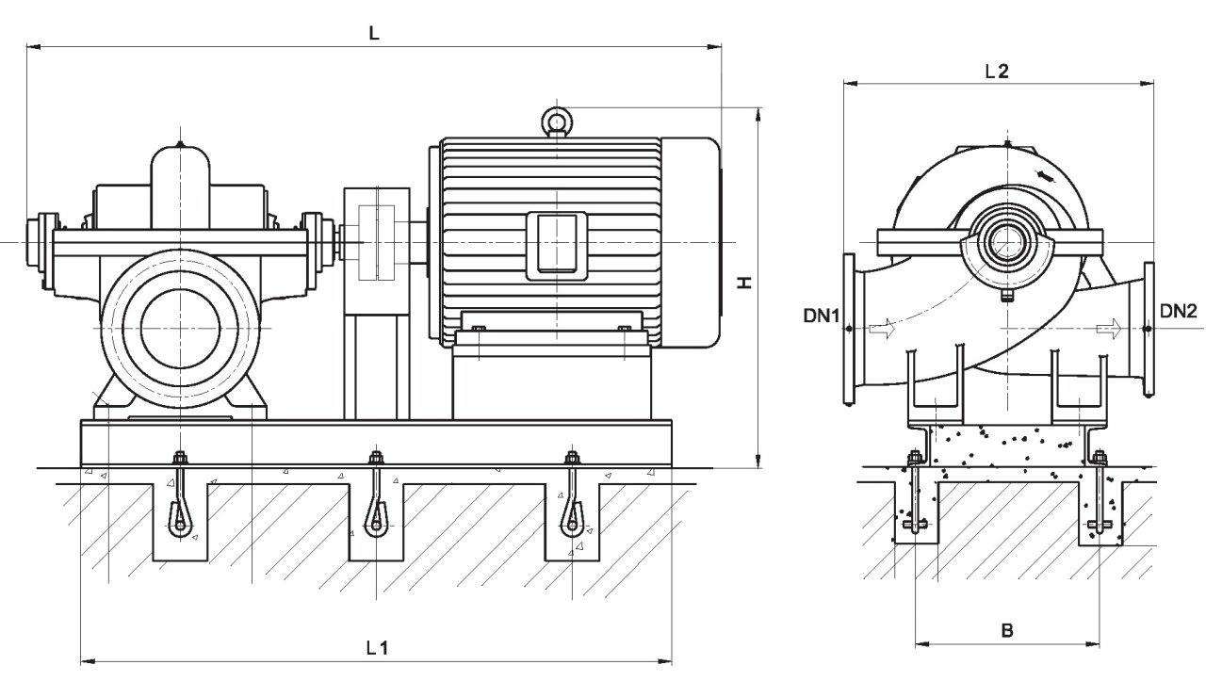
 |  |  | Equip. Model: |  |  |  |  |  |  |  |  |  | TAG No.:
1 | Note |  | OUTLINE DRAWING |  |  |  |  |  |  |  |  |  |  |  |  |  |  |  | Rev
2
3
4
5
6
7
8
9
10
11
12
13
14
15
16
17
18
19
20
21
22 |  |  |  |  | L |  | L1 | L2 | B |  | H |  | DN1 | DN2
23
24
25 |  |  | NOTES
26 |  |  | - | All dimensions in mm
27 |  |  | - | For auxiliary equipments, see separate
28 |  |  |  | drawings
29 |  |  | - | Drawing not to scale and not to be used for construction
30 |  |  | - | DN1: Suction Nozzle
31 |  |  | - | DN2: Discharge Nozzle
32
33
34 |  |  | RECOMMENDED SPARE PARTS
35 |  |  |  |  |  | Recommended number of spare parts
36 |  |  | Part Name |  |  | Start-up |  |  |  | Normal Maintenance
37 |  |  | Shaft with keys
38 |  |  | Impeller
39 |  |  | Wear Rings (Set)
40 |  |  | Bearings, Complete (Radial)
41 |  |  | Bearings, Complete (Thrust)
42 |  |  | Mechanical Seal (Set)
43 |  |  | Shaft Sleeves (Set)
44 |  |  | Gaskets, O-rings
45
46
47
48
49

 |  | DATA SHEET No. |  |  |  |  |  |  |  |  |  | Rev: |  |  | SHEET | 8 | of | 10

