Page8
CENTRIFUGAL PUMP DATA SHEET

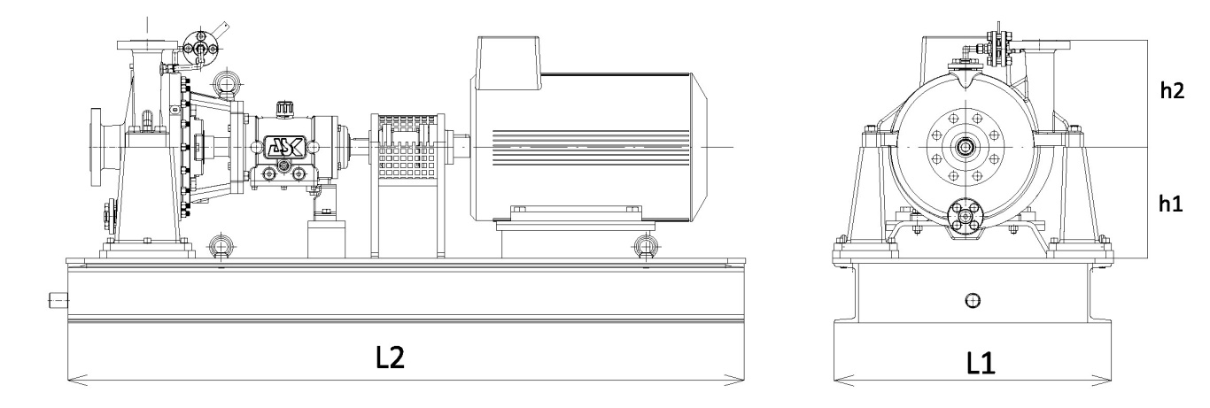
 |  |  | Equip. Model: |  |  |  |  |  |  |  |  | TAG No.:
1 | Note |  | OUTLINE DRAWING |  |  |  |  |  |  |  |  |  |  |  |  |  | Rev
2
3
4
5
6
7
8
9
10
11
12
13
14
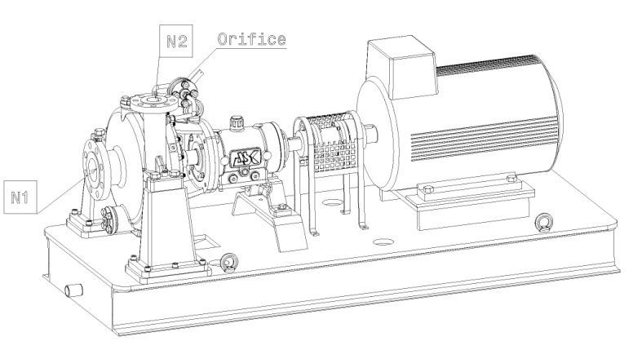
15
16
17
18 |  |  |  | L1 | L2 | h1 | h2 | N1 | N2
19
20
21
22
23 |  |  | NOTES
24 |  |  | All dimensions in mm
25 |  |  | For auxiliary equipments, see separate drawings
26 |  |  | Drawing not to scale and not to be used for construction
27
28
29
30
31
32
33
34 |  |  | RECOMMENDED SPARE PARTS
35 |  |  |  |  |  |  |  |  | Recommended number of spare parts
36 |  |  | Part Name |  |  |  |  |  | Start-up | Normal Maintenance
37 |  |  | Shaft with key
38 |  |  | Impeller
39 |  |  | Wear Rings (Set)
40 |  |  | Bearings, Complete (Radial)
41 |  |  | Bearings, Complete (Thrust)
42 |  |  | Mechanical Seal
43 |  |  | Shaft Sleeve
44 |  |  | Gaskets, O-rings
45
46
47
48
49

 |  | DATA SHEET No. |  |  |  |  |  |  |  |  | Rev: |  | SHEET | 8 | of | 14

